Charts
Capital Stack
 |  |  |  |  |  |  |  |  |  |  |  |  | Executive Summary
Sources and Uses | Construction | Permanent |  |  |  |  |  |  |  |  |  |  | Design
Construction Loan (HDC Tax Exempt Bonds) | $25,905,724 | $0 |  |  |  |  |  |  |  |  |  |  |  | Total SF | Residential SF | Community Facility SF | Resi Loss Factor
Bank of America Senior Permanent Debt | $0 | $7,196,458 |  |  |  |  |  |  |  |  |  |  | Floor Area | 99,571 | 85,631 | 11,814 | 15%
LIHTC Equity | $684,896 | $22,107,671 |  |  |  |  |  |  |  |  |  |  | Floor Area % | 100% | 86.00% | 11.86%
HPD ELLA Subsidy Program Loan | $14,067,900 | $14,067,900 |  |  |  |  |  |  |  |  |  |  |  | Supportive Housing | Affordable Residential | Manager Unit
HPD Resolution A Grant | $912,700 | $912,700 |  |  |  |  |  |  |  |  |  |  | Residential Type | 15.52% | 83.62% | 0.86%
HDC ELLA Subsidy Program Loan | $7,464,600 | $7,464,600 |  |  |  |  |  |  |  |  |  |  |  | Studio | 1 Bedroom | 2 bedroom | 3 Bedroom
Deferred Discretionary Developer Fees | $5,599,710 | $3,110,950 |  |  |  |  |  |  |  |  |  |  | Unit Mix | 29 | 51 | 29 | 6
#ERROR! | $0 | $0 |  |  |  |  |  |  |  |  |  |  | Unit Sizes | 425-525 SF | 575-625 SF | 775-825 SF | 950-1000 SF
GP Equity | $0 | $0 |  |  |  |  |  |  |  |  |  |  | Average AMI | 51.0% | 64.5% | 40.0% | 60.0%
Other Deferrals | $224,749 | $0
Total Sources | $54,860,279 | $54,860,279 | PSF |  |  |  |  |  |  |  |  |  | Sources & Uses
Total Land Costs | $50,000 | $50,000 | $0.50 |  |  |  |  |  |  |  |  |  |  | Per SF | Per Unit
Total Site Work | $3,000,000 | $3,000,000 | $30.13 |  |  |  |  |  |  |  |  |  | Total Costs | $563.68 | $483,844
Total Hard Costs | $37,980,200 | $37,980,200 | $381.44 |  |  |  |  |  |  |  |  |  |  | Hard Costs | Soft Costs | Financing Costs | Other Costs
Total Soft Costs | $3,955,470 | $3,955,470 | $39.73 |  |  |  |  |  |  |  |  |  | Uses | 67.67% | 7.05% | 7.95% | 17.26%
Total Financing Costs | $4,463,469 | $4,463,469 | $44.83 |  |  |  |  |  |  |  |  |  |  | Construction Loan | ELLA Subsidies | Grants | Other
Total Org Costs Start-Up | $211,738 | $211,738 | $2.13 |  |  |  |  |  |  |  |  |  | Construction Sources | 51.50% | 42.81% | 4.33% | 1.36%
Total Reserves | $203,139 | $203,139 | $2.04 |  |  |  |  |  |  |  |  |  |  | Permanent Loan | LIHTC Equity
Developer Fees | $6,261,900 | $6,261,900 | $62.89 |  |  |  |  |  |  |  |  |  | Conversion Sources | 25.15% | 74.85%
Total Uses | $56,125,916 | $56,125,916 | $563.68 |  |  |  |  |  |  |  |  |  |  | Years 1-5 | Years 6-10 | Years 11-15
Surplus/Shortage | ($1,265,637) | ($1,265,637) |  |  |  |  |  |  |  |  |  |  | Opex Ratio | 49.0% | 50.6% | 52.3%
 |  |  |  |  |  |  |  |  |  |  |  |  | DSCR | 1.16x | 1.19x | 1.20x

Sources and Uses |  | Construction | Permanent | Per Unit
Construction Loan (HDC Tax Exempt Bonds) |  |  | $0
Senior Permanent Debt |  | $0
LIHTC Equity |  |  |  | #DIV/0!
HPD ELLA Subsidy Program Loan |  |  |  | #DIV/0!
HPD Resolution A Grant |  | ----------> | ----------> | #VALUE!
HDC ELLA Subsidy Program Loan |  |  | $475,753 | #DIV/0! |  |  |  |  |  |  | Construction Financing
Deferred Developer Fees |  | $0 |  |  |  |  |  |  |  |  | Construction Budget | $50,301,457
GP Equity |  | $0 | $0 |  |  |  |  |  |  |  | Construction Sources | $50,301,457
Other Deferrals |  | -$60,034 | $0 |  |  |  |  |  |  |  | Construction Loan (HDC Tax Exempt Bonds) | $25,905,724
TOTAL SOURCES |  | -$60,034 | $475,753 | Per Sqft |  |  |  |  |  |  | LIHTC Equity | $684,896
 |  |  |  |  |  |  |  |  |  |  | HPD ELLA Subsidy Program Loan | $14,067,900
Total Land Costs |  |  |  | #VALUE! |  |  |  |  |  |  | HPD Resolution A Grant | $912,700
Total Site Work |  |  |  | #VALUE! |  |  |  |  |  |  | HDC ELLA Subsidy Program Loan | $7,464,600
Total Hard Costs |  |  |  | #VALUE! |  |  |  |  |  |  | Bronx Borough President Discretionary Grant | $1,265,637
Total Soft Costs |  | $1,185,036 | $1,185,036 | #VALUE!
Total Financing Costs |  | $106,322 | $106,322 | #VALUE! |  |  |  |  |  |  | Conversion Financing
Total Org Costs Start-Up |  |  |  | #VALUE! |  |  |  |  |  |  | Conversion Uses | $28,619,234
Total Reserves |  | $618,174 | $618,174 | #VALUE! |  |  |  |  |  |  | Construction Loan Repayment | $25,905,724
Developer Fees |  | $6,261,900 | $0 | #VALUE! |  |  |  |  |  |  | Soft Cost + HTF Interest | $21,610
TOTAL USES | ERROR | $8,171,431 | $1,909,531 |  |  |  |  |  |  |  | Operating Reserve | $203,139
SURPLUS < SHORTAGE > |  | -$8,231,465 | -$1,433,779 |  |  |  |  |  |  |  | Developer Fees | $2,488,760
 |  |  |  |  |  |  |  |  |  |  | Conversion Sources | $28,619,234
 |  |  |  |  |  |  |  |  |  |  | Bank of America Senior Permanent Debt | $7,196,458
 |  |  |  |  |  |  |  |  |  |  | LIHTC Equity | $21,422,775

Unit Mix
Unit Mix | Studio | 1 Bedroom | 2 Bedroom | 3 Bedroom | Total | %
TheBridge [Supportive Housing Program] | 8 | 5 | 5 | 0 | 18 | 15.5%
Affordable Units | 21 | 46 | 24 | 6 | 97 | 83.6%
Manager | 0 | 1 | 0 | 0 | 1 | 0.9%
 | 25.00% | 44.83% | 25.00% | 5.17% | 116

 | 1 | 2 | 3 | 4 | 5 | 6 | 7 | 8 | 9 | 10
 | Year | Year | Year | Year | Year | Year | Year | Year | Year | Year

Annual Cashflows [First 10 YRS] | Year 1 | Year 2 | Year 3 | Year 4 | Year 5 | Year 6 | Year 7 | Year 8 | Year 9 | Year 10
EGI | $1,607,297 | $1,643,462 | $1,680,439 | $1,718,249 | $1,756,910 | $1,796,440 | $1,836,860 | $1,878,190 | $1,920,449 | $1,963,659
OpEx [Inc Reserves] | $812,558 | $835,515 | $859,138 | $883,446 | $908,459 | $934,198 | $960,684 | $987,939 | $1,015,986 | $1,044,848
NOI | $794,740 | $807,946 | $821,301 | $834,803 | $848,451 | $862,242 | $876,176 | $890,250 | $904,463 | $918,811
DS | $691,078 | $698,550 | $706,281 | $714,280 | $722,557 | $731,121 | $739,982 | $749,151 | $758,638 | $768,454
CFADS | $103,662 | $109,397 | $115,021 | $120,523 | $125,894 | $131,121 | $136,194 | $141,099 | $145,825 | $150,357
DSCR | 1.15 | 1.16 | 1.16 | 1.17 | 1.17 | 1.18 | 1.18 | 1.19 | 1.19 | 1.20

Rents
Low Income Housing Challenge Financial Model
Team |  |  | NYU VIDA
Project Name |  |  | The Beacon Apartments
Latest Model Update |  |  | 2023-04-17

Key Metrics & Checks
Extremely Low Income % |  | 40.52% | TRUE
TheBridge % |  | 15.52% | TRUE
Wtd Avg AMI |  | 54.70% | TRUE
Market Rate % |  | 0.00% | TRUE
Max Units/ Resi NSF | 146 | 72,786 | TRUE
Market Discount |  | 19.31% | TRUE

Total |  |  |  | 116 | 71,910 | $150,952 | $25.19 | $261,784 | $43.69 | $29,760 | $121,192 | 42.34%
Unit Type | Baths | Unit Classification | AMI | No. of Units | SF | Gross Monthly Affordable Rent | Rent / SF | Gross Monthly Market Rate Rent | Rent / SF | Utility Allowance Monthly | Net Monthly Rent | Discount to Market
Studio | 1 | LIHTC | 40% | 5 | 525 | $934 | $21.35 | $2,123 | $48.53 | $211 | $723 | 56.0%
Studio | 1 | TheBridge | 40% | 8 | 425 | $215 | $6.07 | $2,123 | $59.94 | $211 | $4 | 89.9%
Studio | 1 | LIHTC | 60% | 16 | 425 | $1,401 | $39.56 | $2,123 | $59.94 | $211 | $1,190 | 34.0%
1 Bedroom | 1 | LIHTC | 50% | 4 | 665 | $1,251 | $22.57 | $2,170 | $39.16 | $237 | $1,014 | 42.4%
1 Bedroom | 1 | TheBridge | 40% | 5 | 625 | $283 | $5.43 | $2,170 | $41.66 | $237 | $46 | 87.0%
1 Bedroom | 1 | LIHTC | 60% | 5 | 575 | $1,501 | $31.33 | $2,170 | $45.29 | $237 | $1,264 | 30.8%
1 Bedroom | 1 | LIHTC | 70% | 37 | 575 | $1,751 | $36.54 | $2,170 | $45.29 | $237 | $1,514 | 19.3%
2 Bedroom | 1 | LIHTC | 40% | 5 | 825 | $1,201 | $17.47 | $2,451 | $35.65 | $314 | $887 | 51.0%
2 Bedroom | 1 | LIHTC | 40% | 8 | 775 | $1,201 | $18.60 | $2,451 | $37.95 | $314 | $887 | 51.0%
2 Bedroom | 1 | TheBridge | 40% | 5 | 775 | $425 | $6.58 | $2,451 | $37.95 | $314 | $111 | 82.7%
2 Bedroom | 1 | LIHTC | 40% | 11 | 775 | $1,201 | $18.60 | $2,451 | $37.95 | $314 | $887 | 51.0%
3 Bedroom | 2 | LIHTC | 60% | 3 | 1,000 | $2,081 | $24.97 | $3,078 | $36.94 | $408 | $1,673 | 32.4%
3 Bedroom | 2 | LIHTC | 60% | 3 | 950 | $2,081 | $26.29 | $3,078 | $38.88 | $408 | $1,673 | 32.4%
1 Bedroom | 1 | Manager | - | 1 | 575 | $0 |  | $0 |  | $0 | $0

Community Facility Income
SF |  | 11,223
Rent / SF |  | $35.00
Annual Rent |  | $392,804

Unit Mix

Unit Type | Proportion | Unit Count | Monthly Rent | TheBridge Units
Studio | 25% | 29 | $2,123 | 8
1 Bedroom | 45% | 52 | $2,170 | 5
2 Bedroom | 25% | 29 | $2,451 | 5
3 Bedroom | 5% | 6 | $3,078 | 0
Total | 100% | 116 | $2,274 | 18

Affordable Rent Calculations |  |  |  |  |  |  |  | Market Rate Comparables

Maximum Allowable Gross Rents |  |  |  |  |  |  |  | Bronx County, NY 2023 HUD fair market rents
 | Studio | One BD | Two BD | Three BD
% of AMI | 1 Person HH | 1.5 Person HH | 3 Person HH | 4.5 Person HH
TheBridge | $215 | $283 | $425 | $512
30% | $701 | $750 | $900 | $1,040
40% | $934 | $1,001 | $1,201 | $1,387
45% | $1,051 | $1,126 | $1,351 | $1,560
50% | $1,167 | $1,251 | $1,501 | $1,734 |  |  |  | https://www.huduser.gov/portal/datasets/fmr/fmrs/FY2023_code/2023summary.odn
60% | $1,401 | $1,501 | $1,801 | $2,081
70% | $1,634 | $1,751 | $2,101 | $2,428 |  |  |  | Retail Comparables
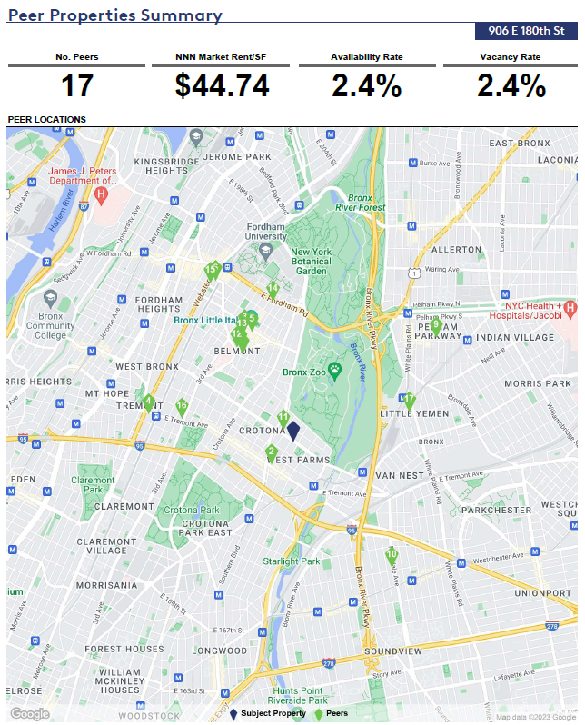
80% | $1,868 | $2,002 | $2,402 | $2,775
100% | $2,335 | $2,502 | $3,002 | $3,468
130% | $3,035 | $3,253 | $3,903 | $4,509

Rent Per SF - Minimum Unit Size
 | Studio | One BD | Two BD | Three BD
 | 1 Person HH | 1.5 Person HH | 3 Person HH | 4.5 Person HH
% of AMI | 400 | 575 | 775 | 950 | Average
TheBridge | $6.45 | $5.91 | $6.58 | $6.47 | $6.35
30% | $21.02 | $15.65 | $13.94 | $13.14 | $15.93
40% | $28.02 | $20.89 | $18.60 | $17.52 | $21.26
45% | $31.52 | $23.50 | $20.92 | $19.71 | $23.91
50% | $35.01 | $26.11 | $23.24 | $21.90 | $26.57
60% | $42.03 | $31.33 | $27.89 | $26.29 | $31.88
70% | $49.02 | $36.54 | $32.53 | $30.67 | $37.19
80% | $56.04 | $41.78 | $37.19 | $35.05 | $42.52
100% | $70.05 | $52.22 | $46.48 | $43.81 | $53.14
130% | $91.05 | $67.89 | $60.43 | $56.96 | $69.08

Rent PSF - Actual Unit Size
 | Studio | One BD | Two BD | Three BD
 | 25% | 45% | 25% | 5%
 | 1 Person HH | 1.5 Person HH | 3 Person HH | 4.5 Person HH | Wtd Average
% of AMI | 425 | 575 | 775 | 950 | 606.25
TheBridge | $6.07 | $5.91 | $6.58 | $6.47 | $6.14
30% | $19.78 | $15.65 | $13.94 | $13.14 | $16.13
40% | $26.37 | $20.89 | $18.60 | $17.52 | $21.52
45% | $29.67 | $23.50 | $20.92 | $19.71 | $24.21
50% | $32.95 | $26.11 | $23.24 | $21.90 | $26.89
60% | $39.56 | $31.33 | $27.89 | $26.29 | $32.27
70% | $46.14 | $36.54 | $32.53 | $30.67 | $37.64
80% | $52.74 | $41.78 | $37.19 | $35.05 | $43.04
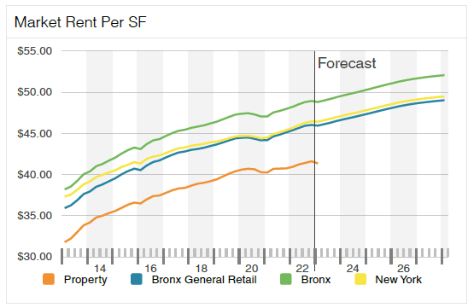
100% | $65.93 | $52.22 | $46.48 | $43.81 | $53.79
130% | $85.69 | $67.89 | $60.43 | $56.96 | $69.93
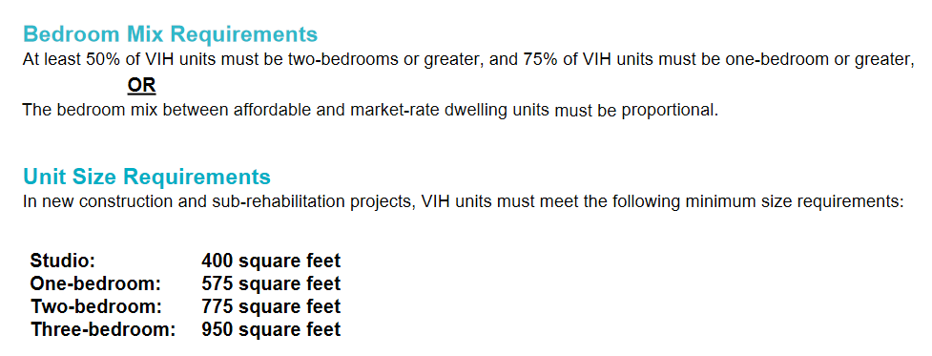

 |  |  |  |  |  |  |  | Section 8 Surcharge

 |  |  |  |  |  |  |  | Capping Section 8 at 8 units to avoid triggering prevailing wage construction costs

 |  |  |  |  |  |  |  |  | Unit Type | Count | Tenant Rent | Fair Market Rent | Section 8 Surcharge
 |  |  |  |  |  |  |  | TheBridge | Studio | 3 | $215 | $2,123 | $1,908
 |  |  |  |  |  |  |  | TheBridge | 1BR | 5 | $283 | $2,170 | $1,887
 |  |  |  |  |  |  |  | Total |  |  |  |  | $15,159
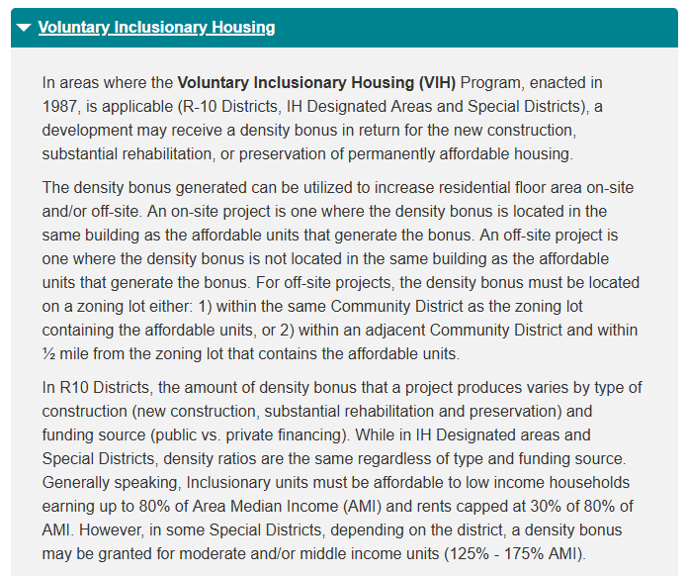
 |  |  |  |  |  |  |  | Annual Total |  |  |  |  | $181,908

 |  |  |  |  |  |  |  | 2023 HPD Utility Allowances
 |  |  |  |  |  |  |  | Bedrooms | Electric | Electric, Heat and Hot Water | Water and Sewage | Total
 |  |  |  |  |  |  |  | Studio | $75 | $68 | $68 | $211
 |  |  |  |  |  |  |  | 1 | $85 | $80 | $72 | $237
 |  |  |  |  |  |  |  | 2 | $110 | $104 | $100 | $314
 |  |  |  |  |  |  |  | 3 | $136 | $130 | $142 | $408
 |  |  |  |  |  |  |  | 4 | $162 | $154 | $184 | $500

Debt & Valuation
Low Income Housing Challenge Financial Model
Team |  | NYU VIDA
Project Name |  | The Beacon Apartments
Date of Model |  | 2023-04-17

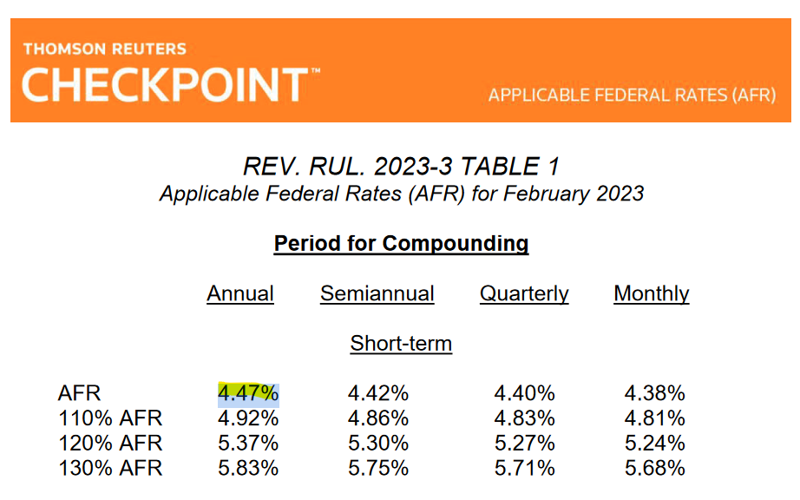
Valuation
Project NOI - Restricted Rents |  | 794,740
Cap Rate |  | 5.00%
Stabilized Property Value |  | 15,894,791

Federal Tax Credit Value |  | 22,107,671
State Tax Credit Value |  | $0
Total Value |  | $38,002,462

Ground Lease
Land Value (per BSF) |  | $50
Land Value |  | $3,639,313
Ground Lease Rate |  | 5%
Annual Ground Lease Payment |  | $181,966

Must Pay Permanent Debt |  | Construction Senior Loan | Senior Permanent Debt | HPD ELLA Subsidy Program Loan | HDC ELLA Subsidy Program Loan
Lender |  | Bank of America | Bank of America | HPD | HDC
Loan Amount |  | $25,905,724 | $7,196,458 | $14,067,900 | $7,464,600
LTV/LTC |  | 46.16% | 12.82% | 25.06% | 13.30%
Interest Rate |  | 8.20% | 6.01% | 4.47% | 4.47%
Payment Rate |  | N/A | N/A | 1.00% | 1.00%
Min DY |  | N/A | 8.00% | N/A | N/A
Max LTV/LTC |  | 66.00% | 75.00% | N/A | N/A
Min DSCR |  | N/A | 1.15 | N/A | N/A
Yrs Amortizating (Assumes Actual/360) |  | N/A | 40 | 40 | 40
Term (# yrs to maturity) |  | 3 | 17 | 40 | 40
Pymnt Freq (Monthly) |  | 12 | 12 | 12 | 12
Maximum Debt Service - Per Proforma
Annual Debt Service |  | $2,124,269 | $475,753 | $140,679 | $74,646
Cumulative Debt Service |  |  | $691,078
Cumulative Debt Service Coverage Ratio (DSCR) |  |  | 1.15
Cumulative Loan Sizing DSCR |  |  | 1.15
Cumulative LTV |  |  | 75.60%
Cumulative DY |  |  | 11.04%
(Project Requirement - Cumulative DSCR to be no less than 1.15x)

Subsidiy Information
Max Subsidy per Unit at 100% LIHTC |  | Funds Available / Unit | Funds Available | Funds Requested / Unit | Funds Requested
HPD ELLA Program |  | $122,500 | $14,210,000 | $121,275 | $14,067,900 | 99%
HDC ELLA Program |  | $65,000 | $7,540,000 | $64,350 | $7,464,600
Total |  |  | $21,750,000 |  | $21,532,500

Grants
 |  | Funds Available / Unit | Funds Available | Funds Requested / Unit | Funds Requested
FHLB Affordable Housing and Community Investment |  | - | - | $35,000 | $4,025,000
Bronx Borough President Discretionary Grant |  | - | - | $10,911 | $1,265,637
HPD Resolution A |  | - | - | $4,348 | $500,000
Total |  |  |  | $50,258 | $5,790,637

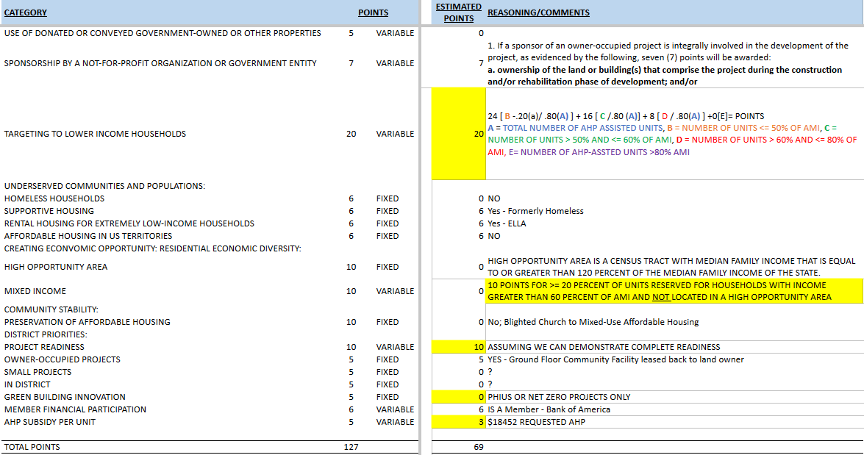
 | Bronx Borough President Discretionary Grant Criteria |  |  | FHLB Scoring

